Price Optimization
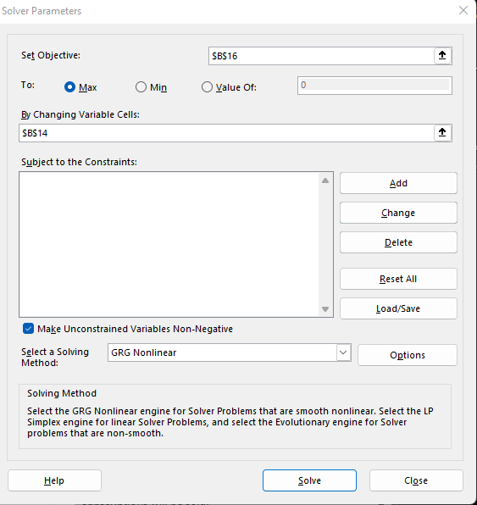
Labelled each option as Situations for easier reading later.
Flying Nimbus Price Optimization
Situation 1 |  |  | Situation 2
Description | Amount | Notes | Description | Amount | Notes
Flying Nimbus Price Optimization (Demand Curve)
 | Amount of Subscriptions
$15 | 1,500
$20 | 1,000
1TB Cloud Storage | $15 | Monthly | 1TB Cloud Storage | $20 | Monthly
Amount of Subscriptions | 1,500 | New Services a Month | Amount of Subscriptions | 1,000 | New Services a Month
Unit Cost | $9 |  | Unit Cost | $9
Sales | $22,500 |  | Sales | $20,000
Total Costs | $13,500 |  | Total Costs | $9,000
Revenue | $9,000 |  | Revenue | $11,000

Unit Cost | $9.00
Price (Best price) | $19.50 | Price optimizatioon
Demand | 1050 | # of Licences Sold
Profit | $11,025.00
Here we can see that the best price, based on Excels Solver Program, is $19.50 per month to maximize profits.
Equation used in B15 (Linear Regression Equation found from the Scatter plot:
=(-100*B13)+3000
Also Changed the decimal points to round to the nearest whole number since you have to have a whole number of products sold, you can sell a portion of a product for this topic.

This is the first input I placed in the chart to ensure everything works fine before I use the Solver Application.

Used the solver parameters below to create an optimized price for the monthly subscription service.
I input the values into the Scatter Chart, Changed the Axis Titles and Renamed the Chart.
I added a trendline into the charge and select "Display Trend Line equation on Chart (Reformatted for easier reading.) We can use the Equation for finding the price optimization.
Trendline shows a negative slops meaning that The more expensive the Monthly fee is, the lower the number of subscriptions will be sold.
 |  |  |  |  |  | N

